רגרסיה לינארית- גרף
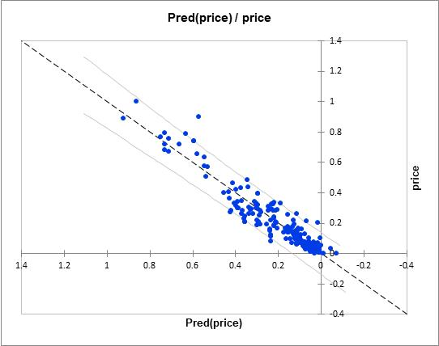
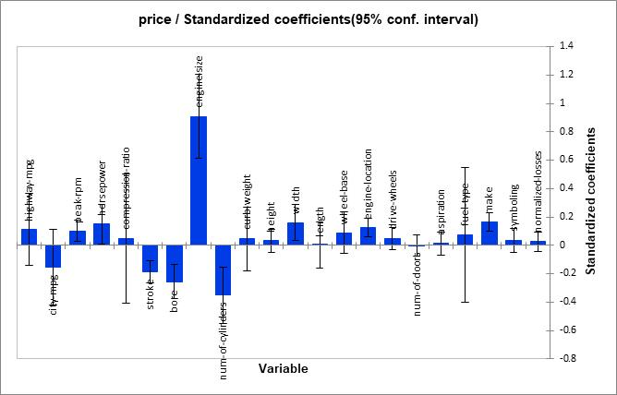

עץ C4.5-תוצאות
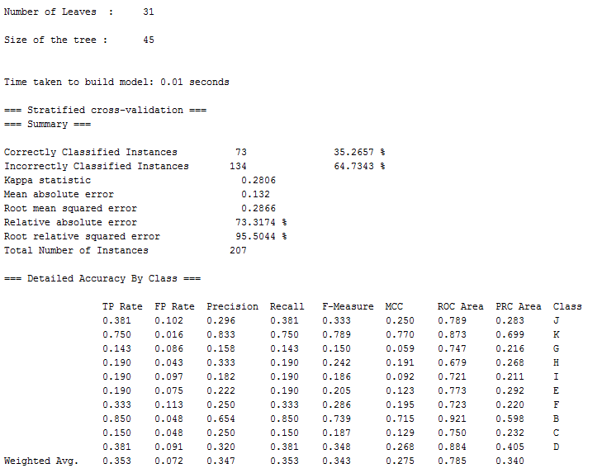
הרצה 1:

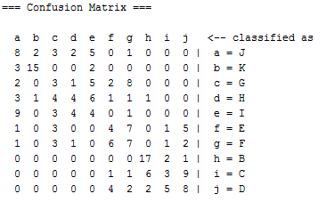

 | TP | Recall | FP rate | specificity | Precision | Accuracy
 | 73 | 0.353 | 0.072 | 0.928 | 0.347 | 0.35265700483

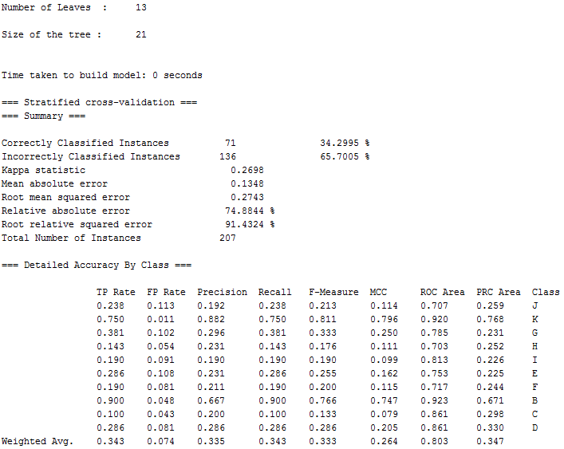
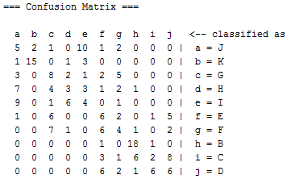
הרצה 2:

 |  | TP | Recall | FP rate | specificity | Precision | Accuracy
 |  | 71 | 0.343 | 0.074 | 0.926 | 0.335 | 0.34299516908

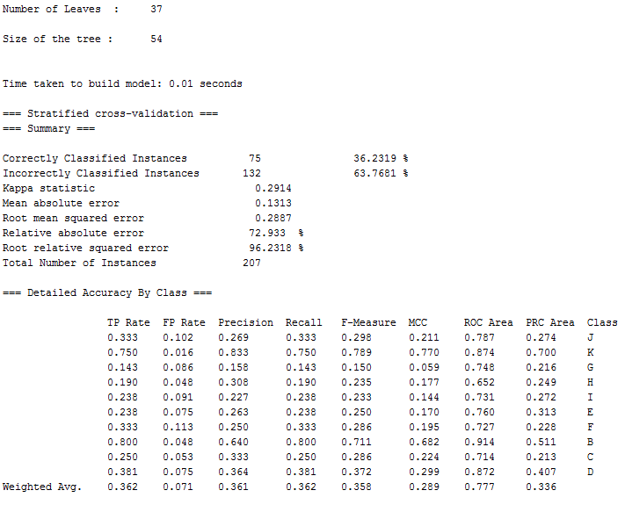
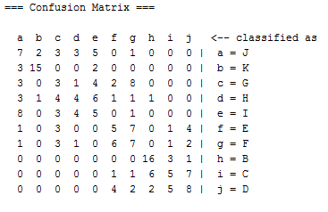
הרצה 3:

 |  |  |  |  |  |  |  |  | 75

 |  | TP | Recall | FP rate | specificity | Precision | Accuracy
 |  | 75 | 0.362 | 0.071 | 0.929 | 0.361 | 0.36231884058

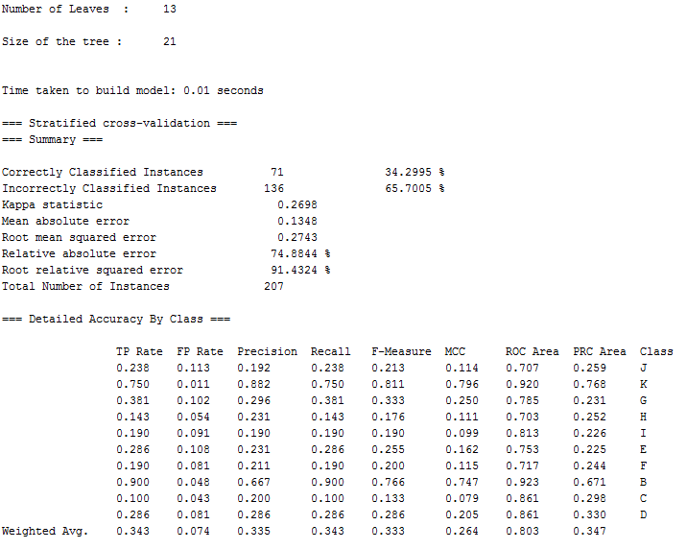
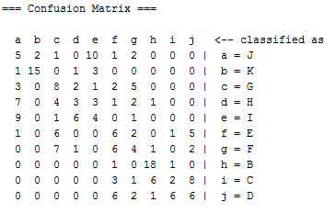
הרצה 4:

 |  |  |  |  |  |  |  |  | 71

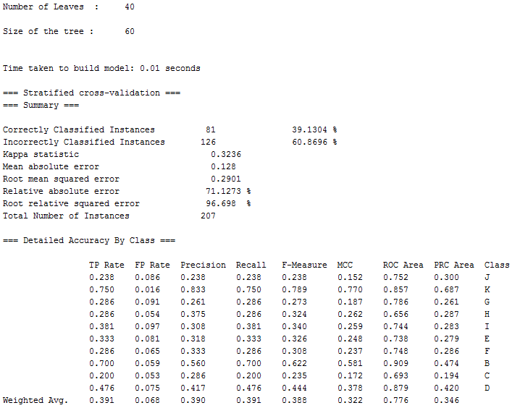
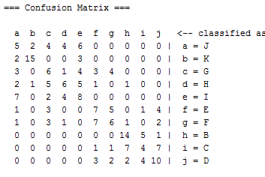
 |  | TP | specificity
 |  | 71 | 0.926
הרצה 5:

 |  |  |  |  |  |  |  |  | 81

 | TP | specificity
 | 81 | 0.932
הרצה 6:
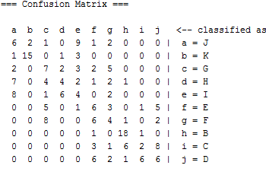
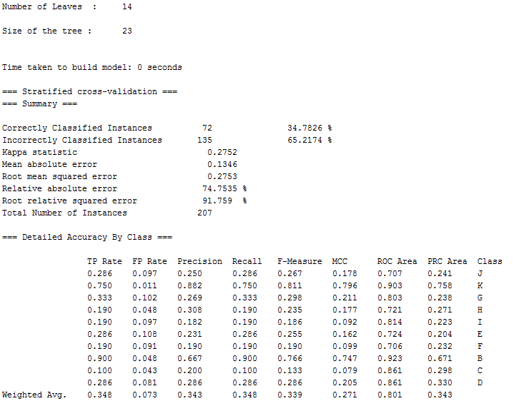

 |  |  |  |  |  |  |  | 72

 | TP | specificity
 | 72 | 0.927

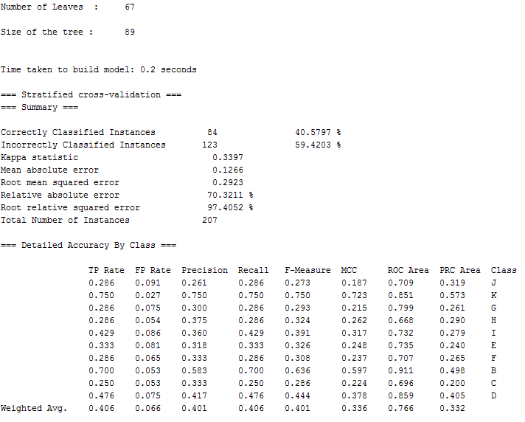
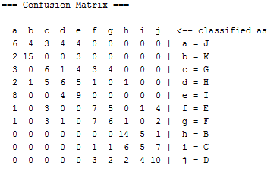
הרצה 7:

 |  |  |  |  |  |  |  |  | 84

 | TP | specificity
 | 84 | 0.934


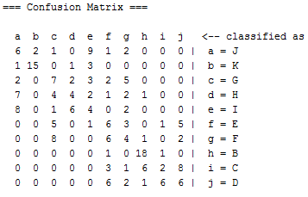
הרצה 8:

 | TP | specificity
 | 72 | 0.927


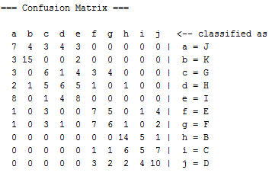
הרצה 9:


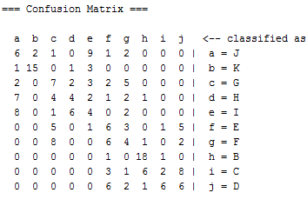
 | TP | specificity
 | 84 | 0.934
הרצה 10:

 | TP | specificity
 | 72 | 0.927

